Sheet1
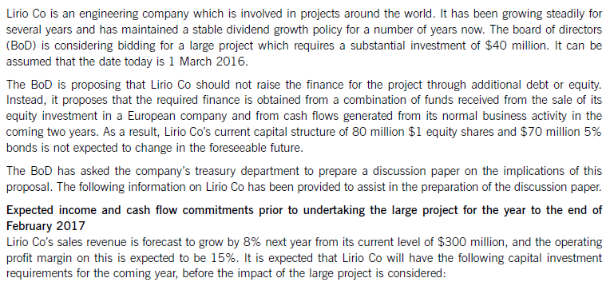
 |  |  |  |  |  |  |  |  |  |  | WHATSAPP NO. +923453086312
 |  |  |  |  |  |  |  |  |  | investment needed ($) |  |  | 40
 |  |  |  |  |  |  |  |  |  | today |  |  | 1-Mar-16
 |  |  |  |  |  |  |  |  |  | funds | 1. sale of equity investment (foreign currency)
 |  |  |  |  |  |  |  |  |  |  | 2. Use cash generated from current business
 |  |  |  |  |  |  |  |  |  | Current | debt($) | 70 | 5%
 |  |  |  |  |  |  |  |  |  |  | equity($) | 80 | $1/share

 |  |  |  |  |  |  |  |  |  | Growth rate is sales revenue |  |  | 8%
 |  |  |  |  |  |  |  |  |  | Current sales revenue($) |  |  | 300 | feb 2016
 |  |  |  |  |  |  |  |  |  | op% |  |  | 15%
 |  |  |  |  |  |  |  |  |  |  |  |  |  | $ millions
 |  |  |  |  |  |  |  |  |  |  | sales revenue |  |  | 324.00

 |  |  |  |  |  |  |  |  |  |  | operating profit |  |  | 48.600
 |  |  |  |  |  |  |  |  |  |  | Interest expense |  |  | (3.500)
 |  |  |  |  |  |  |  |  |  |  | Profit before tax |  |  | 45.100
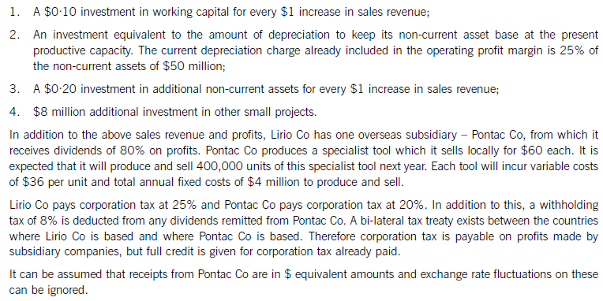
 |  |  |  |  |  |  |  |  |  |  | tax |  |  | (11.275) | CAPEX
 |  |  |  |  |  |  |  |  |  |  | Profit after tax |  |  | 33.825 | necessary
 |  |  |  |  |  |  |  |  |  |  | Investment in wc |  |  | (2.400) | expansion
 |  |  |  |  |  |  |  |  |  |  | Add:dep |  |  | 12.500
 |  |  |  |  |  |  |  |  |  |  | Less: Necesarry Capex |  |  | (12.500)
 |  |  |  |  |  |  |  |  |  |  | Less: nca |  |  | (4.800)
 |  |  |  |  |  |  |  |  |  |  | less: Additional investmemt |  |  | (8.000)
 |  |  |  |  |  |  |  |  |  |  |  |  |  | 18.625
 |  |  |  |  |  |  |  |  |  |  | Less: Tax paid on subsid profit |  |  | (0.28)
 |  |  |  |  |  |  |  |  |  |  | add:dividend |  |  | 3.297
 |  |  |  |  |  |  |  |  |  |  | dividend capacity |  |  | 21.642

 |  |  |  |  |  |  |  |  |  |  | Subsidiary
 |  |  |  |  |  |  |  |  |  |  | Sales |  |  | 24.00 |  | tax to be paid on subsidiary profit |  |  | 1.40
 |  |  |  |  |  |  |  |  |  |  | Less: Variable cost |  |  | (14.40) |  | tax credit for tax paid by subsidiary |  |  | (1.12)
 |  |  |  |  |  |  |  |  |  |  | Contribution |  |  | 9.60 |  | additional tax that needs to be paid |  |  | 0.28
 |  |  |  |  |  |  |  |  |  |  | Less: Fixed cost |  |  | (4.00)
 |  |  |  |  |  |  |  |  |  |  | Profit before tax |  |  | 5.60
 |  |  |  |  |  |  |  |  |  |  | Tax @ 20% |  |  | (1.12)
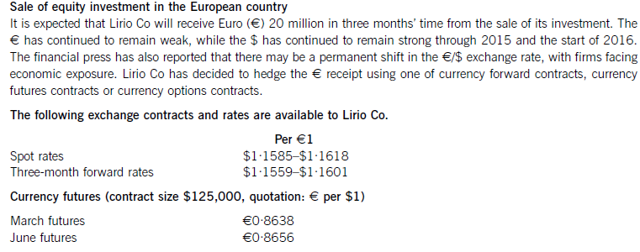
 |  |  |  |  |  |  |  |  |  |  | Profit after tax |  |  | 4.48 | spot rates (1-march-16) |  |  |  | (xyz $s / Euro)
 |  |  |  |  |  |  |  |  |  |  |  |  |  |  |  | $1.1585/euro |  | $1.1618/Euro
 |  |  |  |  |  |  |  |  |  |  | dividend before wht |  |  | 3.584
 |  |  |  |  |  |  |  |  |  |  | wht |  |  | (0.287) |  | $1.1585 = Euro 1 |  | $1.1618 = Euro 1
 |  |  |  |  |  |  |  |  |  |  | dividend paid |  |  | 3.297
 |  |  |  |  |  |  |  |  |  |  |  |  |  |  |  |  |  |  | (xyz euros / $ )
 |  |  |  |  |  |  |  |  |  |  |  |  |  |  |  | $1 = Euro 0.8632 |  | $1 = Euro 0.8607

 |  |  |  |  |  |  |  |  |  |  | Today | 1-Mar-16
 |  |  |  |  |  |  |  |  |  |  | receipts | 1-Jun-16

 |  |  |  |  |  |  |  |  |  |  | spot rates (1-march-16)
 |  |  |  |  |  |  |  |  |  |  |  | $1.1585/euro |  | $1.1618/Euro

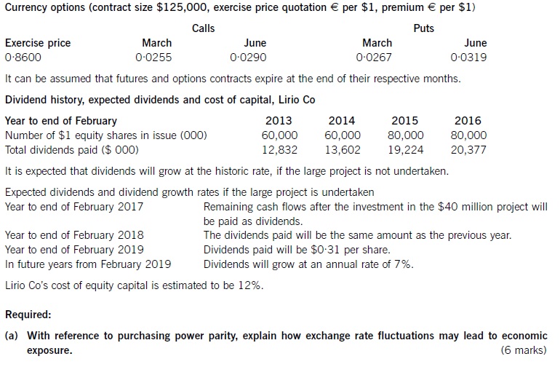
 |  |  |  |  |  |  |  |  |  |  | Case # 1
 |  |  |  |  |  |  |  |  |  |  | If I have $s which I want to convert in euros
 |  |  |  |  |  |  |  |  |  |  | 1.1618 | (he will ask for more $ per euro)
 |  |  |  |  |  |  |  |  |  |  | (dealer will always take advantage)
 |  |  |  |  |  |  |  |  |  |  | Case # 2
 |  |  |  |  |  |  |  |  |  |  | If I have euros wich I want to convert in $s
 |  |  |  |  |  |  |  |  |  |  | 1.1585 | (he will give less $s for every 1 euro)

 |  |  |  |  |  |  |  |  |  |  | Forward
 |  |  |  |  |  |  |  |  |  |  | $1.1559 / Euro |  |  | $1.1601/ Euro
 |  |  |  |  |  |  |  |  |  |  | Euros 20 million
 |  |  |  |  |  |  |  |  |  |  | Applicable rate |  | $1.1559/euro
 |  |  |  |  |  |  |  |  |  |  |  | 23,118,000
 |  |  |  |  |  |  |  |  |  |  | Futures
 |  |  |  |  |  |  |  |  |  |  | method # 1 lock in rate
 |  |  |  |  |  |  |  |  |  |  | methold # 2 - leave the transaction at risk and trade in futures

 |  |  |  |  |  |  |  |  |  |  |  |  |  |  | march start |  | 0.8632
 |  |  |  |  |  |  |  |  |  |  | march end |  | 0.8638 |  | march end
 |  |  |  |  |  |  |  |  |  |  | april end |  |  | 0.8644 | april end
 |  |  |  |  |  |  |  |  |  |  | may end |  |  | 0.8650 | may end
 |  |  |  |  |  |  |  |  |  |  | june end |  | 0.8656 | 0.8656 | june end |  | 0.8656

 |  |  |  |  |  |  |  |  |  |  | increasing |  |  |  | increasing
 |  |  |  |  |  |  |  |  |  |  | total increase |  | 0.0018 |  | total increase |  | 0.0024
 |  |  |  |  |  |  |  |  |  |  | total months |  | 3 |  | total months |  | 4
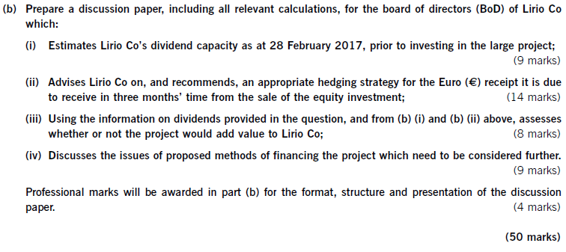
 |  |  |  |  |  |  |  |  |  |  | monthly increase |  | 0.0006 |  | monthly increase |  | 0.0006

 |  |  |  |  |  |  |  |  |  |  |  |  | 0.865

 |  |  |  |  |  |  |  |  |  |  | conversion amount |  |  | 20
 |  |  |  |  |  |  |  |  |  |  | conversion rate (Euro/ $) |  |  | 0.8650
 |  |  |  |  |  |  |  |  |  |  | $s (millions) |  |  | 23.121387283
 |  |  |  |  |  |  |  |  |  |  | $s |  |  | 23,121,387
 |  |  |  |  |  |  |  |  |  |  | Contract size is $s |  |  | 125000
 |  |  |  |  |  |  |  |  |  |  | no. of contracts |  |  | 184.97109827
 |  |  |  |  |  |  |  |  |  |  |  |  |  | 185

 |  |  |  |  |  |  |  |  |  |  | Options
 |  |  |  |  |  |  |  |  |  |  | how do we decided whether we have to go for call or put option?

 |  |  |  |  |  |  |  |  |  |  | whether we want to have the contract currency or whether we want to sell the contract currency

 |  |  |  |  |  |  |  |  |  |  | identify contract currency ------- $s

 |  |  |  |  |  |  |  |  |  |  | I want contract currency therefore we go for call options
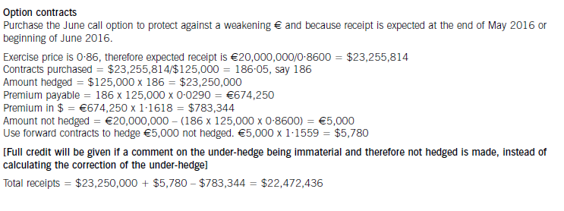

 |  |  |  |  |  |  |  |  |  | purpose of contract currency
 |  |  |  |  |  |  |  |  |  | 1. Helps decide whether it is call or a put
 |  |  |  |  |  |  |  |  |  | 2. Helps us calculate number of contracts

 |  |  |  |  |  |  |  |  |  | purpose of exercise price
 |  |  |  |  |  |  |  |  |  | 1. Helps us calculate the amount we will rec. if option is excercised
 |  |  |  |  |  |  |  |  |  |  |  |  | euro 0.86 / $
 |  |  |  |  |  |  |  |  |  | Step # 1 |  | 23,255,814
 |  |  |  |  |  |  |  |  |  | step # 2 |  | 186
 |  |  |  |  |  |  |  |  |  | step # 3 |  | 23,250,000
 |  |  |  |  |  |  |  |  |  | step # 4 |  | 674,250 | euros (calculation)
 |  |  |  |  |  |  |  |  |  | step # 5 |  | 783,344 | $s into euros (payment)
 |  |  |  |  |  |  | 0.05 or more |  |  | step # 6 |  | 5,000
 |  |  |  |  |  |  |  |  |  | step # 7 |  | 5,780
 |  | cents !!!! | divide by 100
 |  |  |  |  |  |  | if an option is not exercised at the exercise date |  |  |  |  | (783,344) | and use prevailing sr for conversion
 |  |  |  |  |  |  | if an option is exercised at the exercise date |  |  |  |  | 22,472,436

 | whether undertaking the project will create value or not
 | based on dividends
 |  | dividend valuation model

 | market value of company ( if project is not undertaken) - based on dvm

 | market value of a company is the present value of all future dividends discounted using cost of equity

 | market value of company (if project is undertaken) - based on dvm

 |  |  |  |  |  |  |  |  |  |  |  | if project is not undertaken
growth rate |  |  | most previous dividend |  |  | 0.21386666667 |  |  | s=p(1+i)^n
 |  |  | most recent dividend |  |  | 0.2547125 |  |  | 0.2547 = 0.2139 (1+i)^3
 |  |  | number of years passed |  |  | 3
 |  |  | Growth rate = (most recent dividend / most previous dividend)^1/years - 1
 |  |  |  |  | 6.00%
 |  |  |  |  |  |  |  |  | whatsapp: + 923453086312
market value per share at end of feb 2016: |  |  |  | 4.50
total market value of the company |  |  |  | 359,939.84

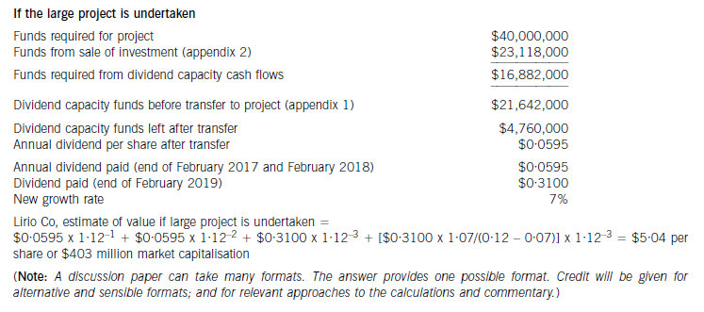

 |  | Feb-16 |  | Feb-17 |  | Feb-18 |  | Feb-19 | ……
 | dividend | mp |  | 0.0595 |  | 0.0595 |  | 0.31
 |  | xyz

 |  |  |  | whatsapp: + 923453086312
 |  |  |  | crash batch |  |  |  | grand revision
 |  |  |  | mock exam |  |  |  | mock debrief

